Bison Transport
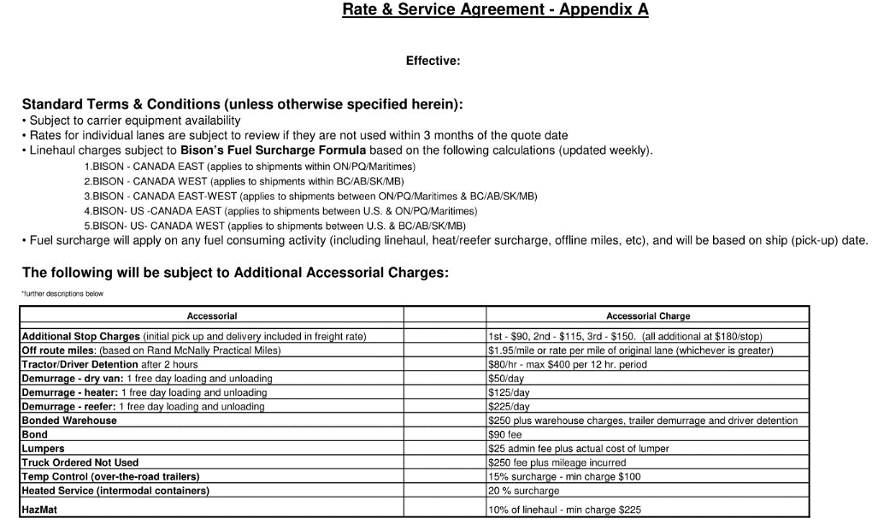
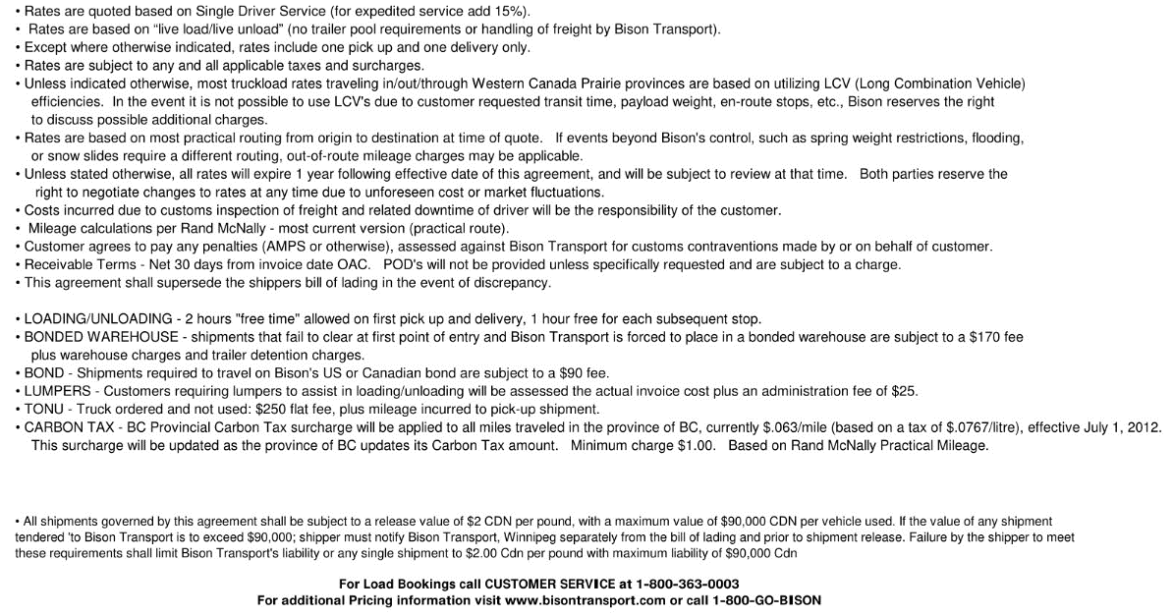
Bison Transport
 |  |  | They are mileage based but there is some room to move on some lanes
Inbound Shipments |  |  | They will have great service but they are more expensive
CA to Calgary/Vancouver : $3.5 RPM
AZ to Calgary/ Vancouver: $3.7 RPM
TX to Calgary/ Vancouver : $3.2 RPM

Origin City | Origin ST. | Miles | Vancouver | Miles | Calgary | Toronto - Did not want to submit numbers
Bakersfield | CA | 1174 | $4,109.00 | 1596 | $5,586.00
Brawley/el Centro | CA | 1477 | $5,169.00 | 1681 | $5,883.00
Coachella | CA | 1426 | $4,991.00 | 1630 | $5,705.00
East Washington | WA | 907 | $3,174.00 | 1396 | $4,886.00
Fresno | CA | 1064 | $3,724.00 | 1593 | $5,575.00
L.A. | CA | 1279 | $4,476.00 | 1581 | $5,533.00
Laredo | TX | 2521 | $8,067.00 | 2148 | $6,873.00
McAllen | TX | 2607 | $8,342.00 | 2234 | $7,148.00
Nogales | AZ | 1819 | $6,730.00 | 1733 | $6,412.00
Oxnard | CA | 1291 | $4,518.00 | 1638 | $5,733.00
Salinas | CA | 1037 | $3,629.00 | 1600 | $5,600.00
Santa Maria | CA | 1193 | $4,175.00 | 1744 | $6,104.00
Seattle | WA | 143 | $600.00 | 607 | $2,400.00
Yuma | AZ | 1551 | $5,738.00 | 1755 | $6,493.00

